Header
SCHOOLS AND SETTINGS - Reset and Recovery
Risk Assessment

Introduction:

This Schools' Risk Assessment document is designed to allow you to review and track your individual readiness to reopen your setting in line with COVID-19 requirements
It has been revised in line with DfE guidance published on 2 July 2020.
It is split into the following sections (one per tab):

• Social distancing practicalities | • Transition
• Quality of education | • Finance
• Safeguarding | • Building work and logistics
• Pupils with SEND (including medical needs) | • Recruitment and staffing
• Emotional and behaviour considerations | • Miscellaneous
• Hygiene and cleanliness/health and safety | • Additional (left blank for you to fill in)
• Possible COVID-19 cases
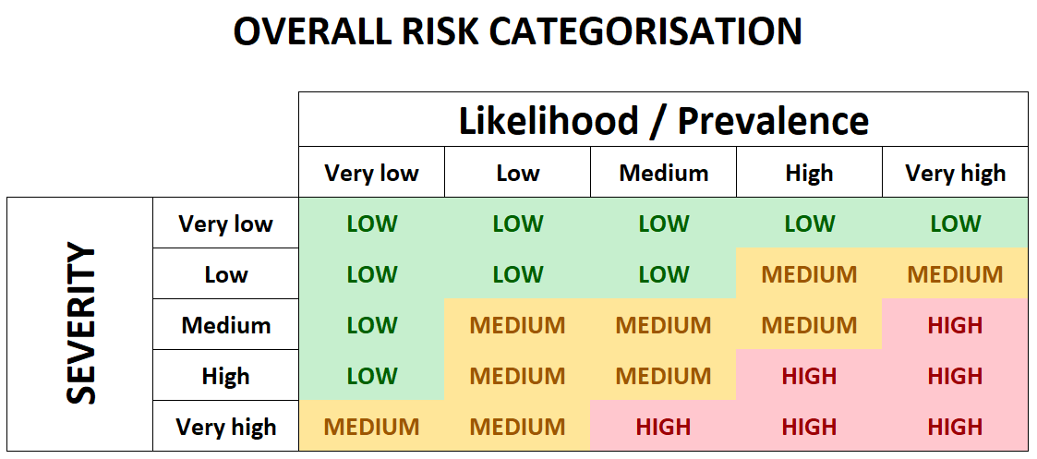
Within each section some initial risks and some possible actions that could be taken to control or mitigate the risks have been pre-populated for you. However these are only initial suggestions
and it is vital that you tailor this risk assessment by amending / adding to these as required to ensure you have captured all relevant risk information specific to your setting.
Please note that the mitigating actions must show how you plan to reduce the risk of the COVID infection being passed on through school. It is not possible to eliminate risk, only reduce it.
When you have identified all your risks you will need to populate current and future (following mitigating actions) risk scores from 1 - 5 for each risk.
You will score both the likelihood / prevalence and potential severity of the risk occurring.
These two scores combined will then give you a high-level overall risk categorisation of LOW, MEDIUM or HIGH. This is worked out as follows:

Additionally, please also bear in mind when filling this document out:

● There are some formulas / calculations on each tab. To ensure these work correctly please do not delete any data in columns I & M. Also, do not insert any rows as these will not have the formulas in them
● Note that several blank lines are provided at the bottom of the table for you to add in additional risks
● Please ensure all information is entered within the main table. Do not enter any information on a tab below the end of the table (denoted with a black row)
● If you do find you need to add additional rows copy and insert them from existing rows in the table - that way the formulas will be copied as well

RISK ASSESSMENT LAYOUT

The sections of the Risk Assessment are as follows:

POPULATES AUTOMATICALLY - These are counts of how many overall risks you have at each level both now and following mitigating actions
POPULATES AUTOMATICALLY - Overall average risk level across ALL risks (both now and after mitigating actions)
POPULATES AUTOMATICALLY - These are counts of how many of each individual risk score you have given both now and following mitigating actions

POPULATES AUTOMATICALLY - Overall Current risk level
POPULATES AUTOMATICALLY - Overall Current risk level

TO FILL IN - Current position on each identified risk
TO FILL IN - Proposed actions and future position on each identified risk
Tracking details and RAG status for proposed actions
Option to add additional comments / links to supporting material as required

